Blad1
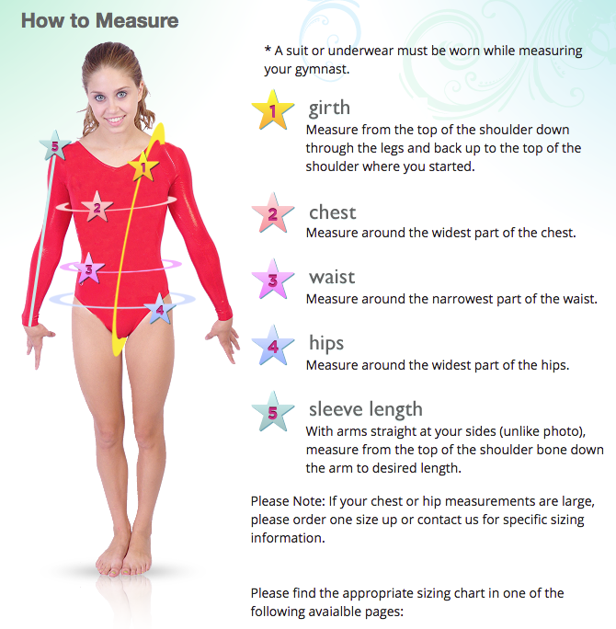
Jagwear maattabel in centimeters

 | 4 | 6 | 8 | 10 | 12 | 14 | 16 | small | medium | large

Bovenlichaam | 91-97 | 98-105 | 106-109 | 110-117 | 118-122 | 124-127 | 129-135 | 137-140 | 142-148 | 150-152
(omtrek)
Borst | 43-48 | 50-56 | 58-64 | 64-67 | 66-74 | 71-76 | 74-79 | 70-84 | 81-86 | 89-91

Middel | 45-48 | 48-53 | 53-58 | 56-61 | 61-63 | 66-68 | 66-68 | 68-76 | 71-79 | 76-84

Heup | 48-51 | 51-56 | 58-63 | 66-71 | 69-74 | 71-76 | 71-78 | 73-81 | 76-84 | 86-99

